CWR06-1972
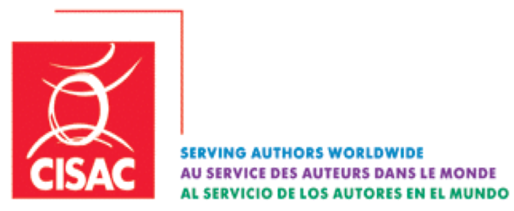

CWR06-1972

Source language: English

 | 2025-05-09

CWR sender ID and codes

Nancy Brusselmans (SABAM)

